Calculator
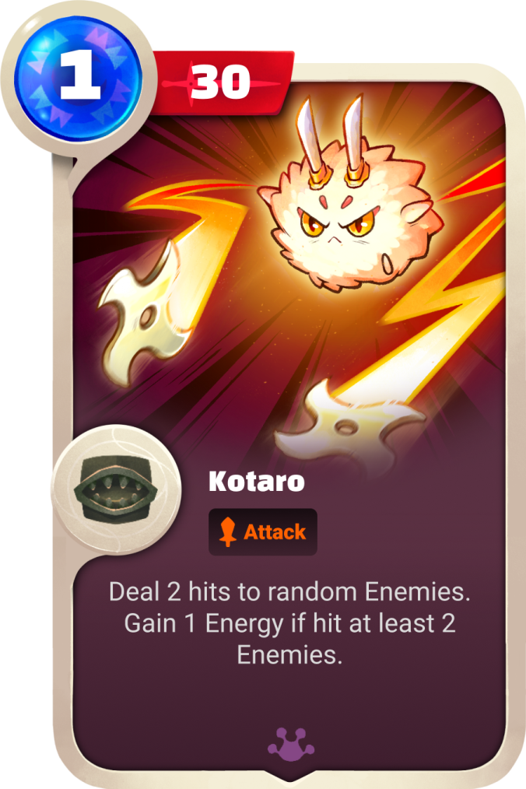

NUMBER OF ENEMY | 3
NUMBER OF ENEMY THAT KOTARO CAN KILL IN FIRST HIT | 0

PROBABILITY TO GAIN ENERGY | 66.67%

